Income Source
Browse
Income Sources
Geographically
Browse
 | Income | Sources
1 | 3 | 3
7 | 2 | 2
4 | 1 | 1
2 | 8 | 8
5 | 9 | 9
6 | 6 | 6
Software Metered License
54,928
7%
FINANCIAL PERFORMANCE ANALYSIS
Youtube Channel
54,922
7%
Company Website
2,400
0%
66,885
19%
Average
Monthly Income
Asset sale

Facebook Page
54,926
7%
Operating
Profits
Floating License
96,000
12%
Licensing
28%
 | Total
Jan | 13,377
Feb | 13,377
Mar | 13,377
Apr | 13,377
May | 13,377
Jun | 13,377
Jul | 13,377
Aug | 13,377
Sep | 13,377
Oct | 13,377
Nov | 13,377
Dec | 13,377
 | 1 | 89%
 | 1 | 11%
 | 1
 | 1
 | 1
 | 1
 | 1
 | 1
 | 1
 | 1
 | 1
 | 1
 | 1
 | 1
 | 1
 | 1
 | 1
 | 1
 | 1
 | 1
 | 1
 | 1
 | 1
 | 1
 | 1
 | 1
 | 1
 | 1
 | 1
 | 1
 | 1
 | 1
 | 1
 | 1
 | 1
 | 1
 | 1
 | 1
 | 1
 | 1
 | 1
 | 1
 | 1
 | 1
 | 1
 | 1
 | 1
 | 1
 | 1
 | 1
...
Google Ad
54,923
7%
89%
Income Achieved
Income Target
898,932
Income
802,618
New
84,000
10%
Television Ad
54,928
7%

Renewal
84,000
10%

160,524
 | Sum of Income | Sum of Income2
Jan | 66,885 | 66,885
Feb | 66,885 | 66,885
Mar | 66,885 | 66,885
Apr | 66,885 | 66,885
May | 66,885 | 66,885
Jun | 66,885 | 66,885
Jul | 66,885 | 66,885
Aug | 66,885 | 66,885
Sep | 66,885 | 66,885
Oct | 66,885 | 66,885
Nov | 66,885 | 66,885
Dec | 66,885 | 66,885
21%

B2B

432,461
Quantity of Items
34%

Equipments
54,926
7%
 | Sum of Income | Sum of Income2
B2B | 432,460 | 53.88%
B2C | 370,157 | 46.12%
Advertising
Licensing
Asset sale
Renting
Subscription
2,844
72,768
26
16,488
117,170
2%
62%
0%
14%
11%
15%

Lands
2,400
0%
Premium
54,943
7%
7%
Prime
68,922
9%
B2C

370,157
Offices
1,200
0%
46%

Geographically
Browse
Income Sources
Geographically
FINANCIAL PERFORMANCE ANALYSIS

 | 22.80% | 77.20%
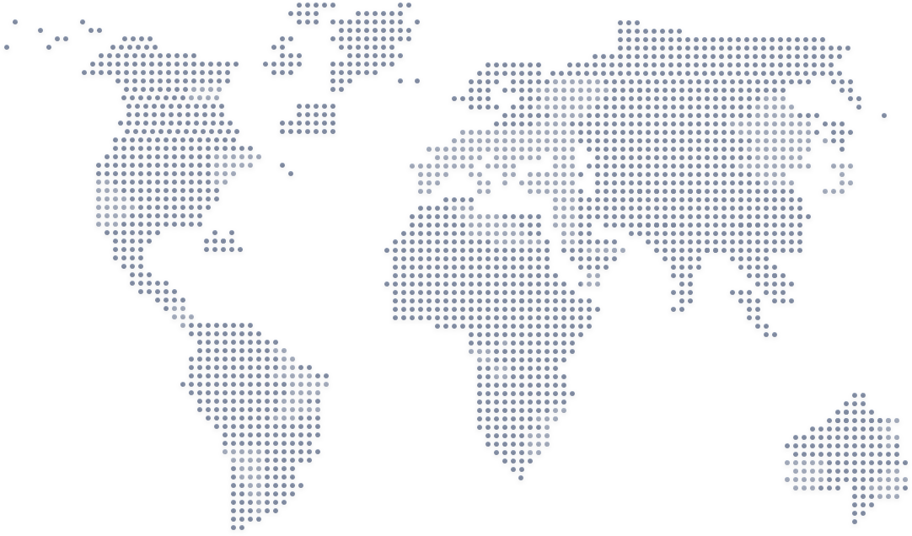
Total Taxes
Russia
$188,312
Canada
$125,136
United Kingdom
$178,572
$312,997
$1,372,792
22.80%

Payroll Taxes | 9.20% | $126,297
Property Taxes | 7.40% | $101,587
Excise Taxes | 6.20% | $85,113

 | Brazil | Canada | Egypt | Russia | United Kingdom | USA
 | 9.27% | 9.12% | 26.65% | 13.72% | 13.01% | 28.23%
Egypt
$365,892
USA
$387,584
9.27%
13.72%
9.12%
13.01%
28.23%
Brazil
Egypt
Canada
Russia
United Kingdom
USA
26.65%
$127,296
$188,312
$125,136
$178,572
$387,584
$365,892

Payroll Taxes

$126,297
9.20%

 |  |  | YX
% Remaining | 33% | 0 | 1
Actual % | 67% | 0.8628490054 | -0.50546176303
Property Taxes
$101,587
7.40%
Brazil
$127,296

Excise Taxes

$85,113
6.20%

Pivot Table
Row Labels | Sum of Income | Sum of Counts | Sum of Counts2 |  |  |  | Column1 | Column12 | X | Y | Column7 | Column6 | Column5 | Column2 | Column3 | Column4 | Count | count%
Advertising | 222098 | 2844 | 2.43% |  |  |  | Usage fees |  | 1 | 3 |  |  |  | 168,000 |  | 168,000 | 2,844 | 2% | Sum of Target Income | Sum of Income |  | Income | Target | Row Labels | Sum of Income | Sum of Income2 |  |  | Row Labels | Sum of operating profit
Asset sale | 79200 | 26 | 0.02% |  |  |  | Subscription |  | 7 | 2 |  |  |  | 123,865 |  | 123,865 | 26 | 0% | 898,932 | 802,618 |  | 89% | 11% | Jan | 66,885 | 66,885 | 66,885 |  | Jan | 13,377 |  | 160,524 |  | Row Labels | Sum of Income | Sum of Income2
Licensing | 150928 | 72768 | 62.10% |  |  |  | Renting |  | 4 | 1 |  |  |  | 58,526 |  | 58,526 | 72,768 | 62% |  |  |  |  |  | Feb | 66,885 | 66,885 |  |  | Feb | 13,377 |  |  |  | B2B | 432,460 | 53.88% | B2B | 432,460 | 54%
Renting | 58526 | 16488 | 14.07% |  |  |  | Licensing |  | 2 | 8 |  |  |  | 150,928 |  | 150,928 | 16,488 | 14% |  |  |  |  |  | Mar | 66,885 | 66,885 |  |  | Mar | 13,377 |  |  |  | B2C | 370,157 | 46.12% | B2C | 370,157 | 46%
Subscription | 123865 | 13188 | 11.26% |  |  |  | Asset sale |  | 5 | 9 |  |  |  | 79,200 |  | 79,200 | 117,170 | 100% |  |  |  |  |  | Apr | 66,885 | 66,885 |  |  | Apr | 13,377 |  |  |  | Grand Total | 802,618 | 100.00%
Usage fees | 168000 | 11856 | 10.12% |  |  |  | Advertising |  | 6 | 6 |  |  |  | 222,098 | 222,098 |  | 11,856 | 10% |  |  |  |  |  | May | 66,885 | 66,885 |  |  | May | 13,377
Grand Total | 802618 | 117170 | 100.00% |  |  |  |  |  |  |  |  |  |  |  |  |  |  |  |  |  |  |  |  | Jun | 66,885 | 66,885 |  |  | Jun | 13,377
 |  |  |  |  |  |  |  |  |  |  |  |  |  |  |  |  |  |  |  |  |  |  |  | Jul | 66,885 | 66,885 |  |  | Jul | 13,377
 |  |  |  |  |  |  |  |  |  |  |  |  |  |  |  |  |  |  |  |  |  |  |  | Aug | 66,885 | 66,885 |  |  | Aug | 13,377
 |  |  |  |  |  |  |  |  |  | 3 |  |  |  |  |  |  |  |  |  |  |  |  |  | Sep | 66,885 | 66,885 |  |  | Sep | 13,377
 |  |  | Advertising | 2,844 | 2% |  |  |  |  | 2 |  |  |  |  |  |  |  |  |  |  |  |  |  | Oct | 66,885 | 66,885 |  |  | Oct | 13,377
 |  |  | Asset sale | 26 | 0% |  |  |  |  | 1 |  |  |  |  |  |  |  |  |  |  |  |  |  | Nov | 66,885 | 66,885 |  |  | Nov | 13,377
 |  |  | Licensing | 72,768 | 62% |  |  |  |  | 8 |  |  |  |  |  |  |  |  |  |  |  |  |  | Dec | 66,885 | 66,885 |  |  | Dec | 13,377
 |  |  | Renting | 16,488 | 14% |  |  |  |  | 9 |  |  |  |  |  |  |  |  |  |  |  |  |  | Grand Total | 802,618 | 802,618 |  |  | Grand Total | 160,524
 |  |  | Subscription | 117,170 | 11% |  |  |  |  | 6
 |  |  | Usage fees | 11,856 | 10% |  |  |  |  |  |  |  |  |  |  |  |  |  |  |  |  |  |  |  |  |  | Row Labels | Sum of Income | Sum of Income2
 |  |  |  |  |  |  |  |  |  |  |  |  |  |  |  |  |  |  |  |  |  |  |  |  |  |  | Advertising | 222,098 | 27.67% |  | Advertising | 222,098 | 28%
Row Labels | Sum of Amount | Sum of Amount2 |  | Row Labels | Sum of Amount | Sum of Amount2 |  |  |  |  |  |  |  |  | Sum of Amount | Sum of Target |  | % Remaining | Actual % |  | X | Y |  |  |  |  | Company Website | 2,400 | 0.30% |  | Company Website | 2,400 | 0%
Brazil | $127,296 | 9.27% |  | Brazil | $127,296 | 9.27% |  |  | Brazil | 9.27% |  |  |  |  | 1372792 | 2062298.72 |  | 33% | 67% |  | 0 | 1 |  |  |  |  | Facebook Page | 54,926 | 6.84% |  | Facebook Page | 54,926 | 7%
Canada | $125,136 | 9.12% |  | Canada | $125,136 | 9.12% |  |  | Canada | 9.12% |  |  |  |  |  |  |  |  |  |  | 0.8628490054 | -0.50546176303 |  |  |  |  | Google Ad | 54,923 | 6.84% |  | Google Ad | 54,923 | 7%
Egypt | $365,892 | 26.65% |  | Egypt | $365,892 | 26.65% |  |  | Egypt | 26.65% |  |  |  |  |  |  |  |  |  |  |  |  |  |  |  |  | Television Ad | 54,928 | 6.84% |  | Television Ad | 54,928 | 7%
Russia | $188,312 | 13.72% |  | Russia | $188,312 | 13.72% |  |  | Russia | 13.72% |  |  |  |  |  |  |  |  |  |  |  |  |  |  |  |  | Youtube Channel | 54,922 | 6.84% |  | Youtube Channel | 54,922 | 7%
United Kingdom | $178,572 | 13.01% |  | United Kingdom | $178,572 | 13.01% |  |  | United Kingdom | 13.01% |  |  |  |  |  |  |  |  |  |  |  |  |  |  |  |  | Asset sale | 79,200 | 9.87% |  | Asset sale | 79,200 | 10%
USA | $387,584 | 28.23% |  | USA | $387,584 | 28.23% |  |  | USA | 28.23% |  |  |  |  |  |  |  |  |  |  |  |  |  |  |  |  | Asset sale | 79,200 | 9.87% |  | Asset sale | 79,200 | 10%
•
Grand Total | $1,372,792 | 100.00% |  |  |  |  |  |  |  |  |  |  |  |  |  |  |  |  |  |  |  |  |  |  |  |  | Licensing | 150,928 | 18.80% |  | Licensing | 150,928 | 19%
 |  |  |  |  |  |  |  |  |  |  |  |  |  |  |  |  |  |  |  |  |  |  |  |  |  |  | Floating License | 96,000 | 11.96% |  | Floating License | 96,000 | 12%
 |  |  |  |  |  |  |  |  |  |  |  |  |  |  |  |  |  |  |  |  |  |  |  |  |  |  | Software Metered License | 54,928 | 6.84% |  | Software Metered License | 54,928 | 7%
 |  |  |  |  |  |  |  |  |  |  |  |  |  |  |  |  |  |  |  |  |  |  |  |  |  |  | Renting | 58,526 | 7.29% |  | Renting | 58,526 | 7%
Row Labels | Sum of Amount | Sum of Amount2 |  | Column1 | Column2 | Column3 | Column4 | Column5 |  |  |  |  |  |  |  |  |  |  |  |  |  |  |  |  |  |  | Equipments | 54,926 | 6.84% |  | Equipments | 54,926 | 7%
USA | $387,584 | 28.23% |  | Egypt |  |  | • | • |  |  |  |  |  |  |  | Egypt |  |  |  |  |  |  |  |  |  |  | Lands | 2,400 | 0.30% |  | Lands | 2,400 | 0%
Egypt | $365,892 | 26.65% |  | Russia |  |  | • | • |  |  |  |  |  |  | · | Russia |  |  |  |  |  |  |  |  |  |  | Offices | 1,200 | 0.15% |  | Offices | 1,200 | 0%
Russia | $188,312 | 13.72% |  | USA | • | • |  |  |  | ` |  |  |  |  |  | USA |  |  |  |  |  |  |  |  |  |  | Subscription | 123,865 | 15.43% |  | Subscription | 123,865 | 15%
United Kingdom | $178,572 | 13.01% |  | United Kingdom |  |  | • | • |  |  |  |  |  |  |  | United Kingdom |  |  |  |  |  |  |  |  |  |  | Premium | 54,943 | 6.85% |  | Premium | 54,943 | 7%
Brazil | $127,296 | 9.27% |  | Canada |  |  | • | • |  |  |  |  |  |  |  | Canada |  |  |  |  |  |  |  |  |  |  | Prime | 68,922 | 8.59% |  | Prime | 68,922 | 9%
Canada | $125,136 | 9.12% |  | Brazil |  |  | • | • |  |  |  |  |  |  |  | Brazil |  |  |  |  |  |  |  |  |  |  | Usage fees | 168,000 | 20.93% |  | Usage fees | 168,000 | 21%
Grand Total | $1,372,792 | 100.00% |  |  |  |  |  |  |  |  |  |  |  |  |  |  |  |  |  |  |  |  |  |  |  |  | New | 84,000 | 10.47% |  | New | 84,000 | 10%
 |  |  |  |  |  |  |  |  |  |  |  |  |  |  |  |  |  |  |  |  |  |  |  |  |  |  | Renewal | 84,000 | 10.47% |  | Renewal | 84,000 | 10%
 |  |  |  |  |  |  |  |  |  | I | 9.20% |  |  |  |  |  |  |  |  |  |  |  |  |  |  |  | Grand Total | 802,618 | 100.00%
 |  |  |  |  |  |  |  |  |  | UY | 7.40%
 |  |  |  | Payroll Taxes | Property Taxes | Excise Taxes | Column1 | Column2 |  | O | 6.20%
Grand Total | $1,372,792 |  |  | 9.20% | 7.40% | 6.20% | 22.80% | 77.20%
 |  |  |  | 126,296.86 | 101,586.61 | 85,113.10 | 312,996.58 | -31299557.60%

 |  |  |  | Payroll Taxes | Property Taxes | Excise Taxes | Column1 | Column2
 |  |  |  | 9.20% | 7.40% | 6.20% | 22.80% | 77.20%
 |  |  |  | $126,297 | $101,587 | $85,113 | $312,997

